SFP+ end
A0H |  |  |  |  |  |  |  |  |  |  |  | A2H
A0h地址 | 名称 | 数值(hex) | Note |  |  |  |  |  |  |  |  | A2h地址 | 名称 | 数值(hex) | Note
0 | Identifier | 03 | 00h unknown or unspecified；01h GBIC； 02h Module/connector soldered to motherboard; 03h SFP；04-7Fh Reserved；80-FFh Vendor specifi |  |  |  |  |  |  |  |  | 0-39 | A/W Thresholds | 00 | Diagnostic Flag Alarm and Warning Thresholds (see Table 9-5) | 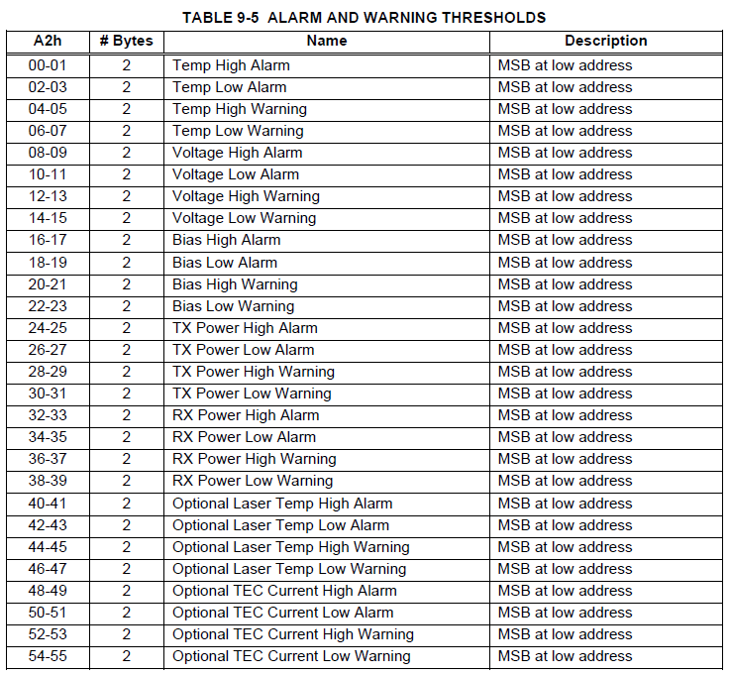
1 | Ext. Identifier | 04 | GBIC/SFP为04h |  |  |  |  |  |  |  |  | 40-55 | Optional A/W | 00 | Thresholds for optional Laser Temperature and TEC Current alarms and warnings (see Table 9-5)
2 | Connector | 21 | unseperable cable assembly |  |  |  |  |  |  |  |  |  |  | 00
3 | Tracsceiver | 01 | Active:02h |  |  |  |  |  |  |  |  | 56-91 | Ext Cal Constants | 00 | Diagnostic calibration constants for optional External Calibration (see Table 9-6)
4 |  | 00
5 |  | 00 |  |  |  |  |  |  |  |  |  | 92-94 | Unallocated | 00
6 |  | 04 | 100M,1G Ethernet compliance codes |  |  |  |  |  |  |  |  | 95 | CC_DMI | 00 | Check code for Base Diagnostic Fields (addresses 0 to 94)
7 |  | 41 | short distance (S);Electrical inter-enclosure (EL) |  |  |  |  |  |  |  |  | 96-105 | Diagnostics | 00 | Diagnostic Monitor Data (internally or externally calibrated) (see Table 9-11)
8 |  | 84 | Electrical intra-enclosure (EL);Passive Cable
9 |  | 80 | Twin Axial Pair (TW) |  |  |  |  |  |  |  |  | 106-109 | Optional Diagnostics | 00 | Monitor Data for Optional Laser temperature and TEC current (see Table 9-11)
10 |  | D5 | SFP: 15
11 | Encoding | 00 |  |  |  |  |  |  |  |  |  | 110 | Status/Control | 00 | Optional Status and Control Bits (see Table 9-11)
12 | BR Normal | 67 | SFP+:10.3Gb/s;SFP:2A-4.2Gb/s |  |  |  |  |  |  |  |  | 111 | Reserved | 00 | Reserved for SFF-8079
13 | Rate Identifier | 00 | unspecified |  |  |  |  |  |  |  |  | 112-113 | Alarm Flags | 00 | Diagnostic Alarm Flag Status Bits (see Table 9-12)
14 | SM Length (km) | 00 |  |  |  |  |  |  |  |  |  | 114 | Unallocated | 00
15 | SM Length (100m) | 00 |  |  |  |  |  |  |  |  |  | 115 | CDR Unlocked | 00 | Optional flags indicating that Tx or Rx CDR is unlocked
16 | 50um OM2 Length (10m) | 00 |  |  |  |  |  |  |  |  |  | 116-117 | Warning Flags | 00 | Diagnostic Warning Flag Status Bits (see Table 9-12)
17 | 62.5um OM1 Length (10m) | 00 |  |  | 0.65m | 1.2m | 3m | 5m | 7m | 10m |  | 118-119 | Ext Status/Control | 00 | Extended module control and status bytes (see Table 10-1)
18 | Cable (m) | <0.5m:00h; 0.65m:01h; 1.2m: 01h; 3m:03h; | Length in Meters(对于带小数部分的长度,按四舍五入写入) fill the values per the right table |  | 01 | 01 | 03 | 05 | 07 | 0A | Values in Hex | 120 | Reserved | 00 | a0z9 for SFP/SFP+; 0a9z for XFP/QSFP;
19 | 50um OM3 Length (10m) | 00 |  |  |  |  |  |  |  |  |  | 121 |  | 00
20 | Vendor Name (LUXSHARE-ICT) | 4C | Bytes 20-35 Vendor name(ASCII,LUXSHARE-ICT) 多余最后几位以20h填充(不是00h) | L |  |  |  |  |  |  |  | 122 |  | 00
21 |  | 55 |  | U |  |  |  |  |  |  |  | 123 | Initial Password | 61 |  | a
22 |  | 58 |  | X |  |  |  |  |  |  |  | 124 |  | 30 |  | 0
23 |  | 53 |  | S |  |  |  |  |  |  |  | 125 |  | 7A |  | z
24 |  | 48 |  | H |  |  |  |  |  |  |  | 126 |  | 39 |  | 9
25 |  | 41 |  | A |  |  |  |  |  |  |  | 127 | Table select | 00 | Optional Page Select (see Table 10-3)
26 |  | 52 |  | R |  |  |  |  |  |  | Page00/01 | 128-247 | User EEPROM | 00 | User writable non-volatile memory (see Table 10-4)
27 |  | 45 |  | E |  |  |  |  |  |  |  | 248-255 | Vendor Control | 00 | Vendor specific control addresses (see Table 10-5)
28 |  | 2D |  | -
29 |  | 49 |  | I
30 |  | 43 |  | C
31 |  | 54 |  | T
32 |  | 20
33 |  | 20
34 |  | 20
35 |  | 20
36 | Tracsceiver | 00
37 | vendor OUI | 3C | Luxshare IEEE Code
38 |  | 18
39 |  | A0
40 | Vendor P/N | * | Bytes 40-55 Vendor P/N(ASCII) 多余最后几位以20h填充(不是00h),写H3C PN
41
42
43
44
45
46
47
48
49
50
51
52
53
54
55
56 | Vendor Rev. (41:A;42:B;43:C……) | 41 | Rev.A Vendor Rev.(ASCII) 多余最后几位以20h填充 (不是00h)
57 |  | 20
58 |  | 20
59 |  | 20
60 | Wave Length | 01 | Compliance to SFF8431 Appendix E; SFP:00h
61 |  | 00
62 | Unallocated | 00
63 | CC_Base | * | check code for bytes 0-62 (Low 8 bits of the sum from byte 0-byte62)
64 | Options | 00
65 |  | 00
66 | BR Max. | 00 | Upper bit rate margin,0 not specific
67 | BR Min. | 00 | lower bit rate margin,0 not specific
68 | Vendor SN | * | Bytes 68-83 Vendor SN(ASCII) 多余最后几位以20h填充 (不是00h)
69
70
71
72
73
74
75
76
77
78
79
80
81
82
83
84 | Date Code | * | Year(ASCII) 31h30h=2010
85
86 |  |  | Month (ASCII) 31h30h=Oct.
87
88 |  |  | Day (ASCII) 31h30h=10th
89
90 |  |  | vendor specific lot code, may be blank 没有的话以20h填充 (不是00h)
91
92 | Diagnostic Monitor Type | 00
93 | Enhacned Options | 00
94 | SFF-8472 Compliance | 00 | Digital diagnostic functionality not included or undefined.
95 | CC_EXT | * | check code for bytes 64-94 | H
96 | Vendor Specific (H3C) | 48 |  | 3
97 |  | 33 |  | C
98 |  | 43
99 |  | 00
100 |  | 00
101 |  | 00
102 |  | 00
103 |  | 00
104 |  | 00
105 |  | 00
106 |  | 00
107 |  | * | H3C BOM code ASCII, flush left Byte107 mark high byte Byte114 mark low byte (填入H3C料号)
108 |  | *
109 |  | *
110 |  | *
111 |  | *
112 |  | *
113 |  | *
114 |  | * |  |  | 0.65m | 1m | 1.2m | 3m | 5m | 7m | 10m
115 |  | * | Cable assembly length(fill the values per the right table ), byte 115 integral of cable length; Byte 116 decimal of cable length. Unit is m |  | 00 | 01 | 01 | 03 | 05 | 07 | 0A | Values in Hex
116 |  | * |  |  | 41 | 00 | 02 | 00 | 00 | 00 | 00
117 |  | 02 | 00h:SFP+ to SFP+; 02h: QSFP+ to 4x SFP+
118 |  | 01 | 遵循H3C SFP+电缆寄存器相关规格定制标准V1.1
119 |  | 00 | Reserved
120 |  | 00
121 |  | 00
122 |  | 00
123 |  | 00
124 |  | 00
125 |  | 00
126 |  | 00
127 |  | * | Verify vendor ID (low 8 bits of the sum from Byte 96-byte126)
127~255 | Reserved | 00 | Reserved for future use

